Sheet1
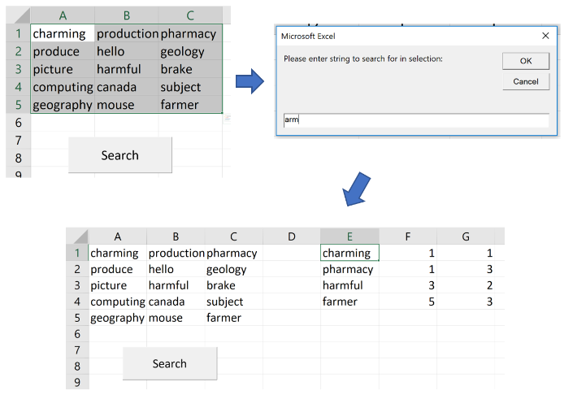
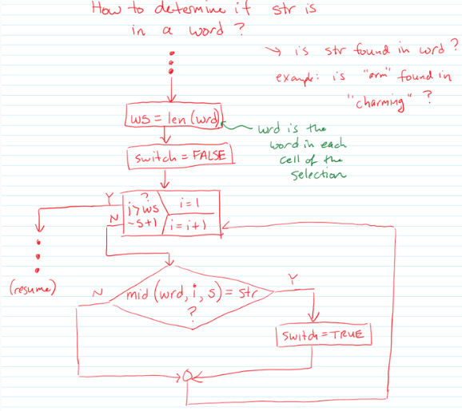
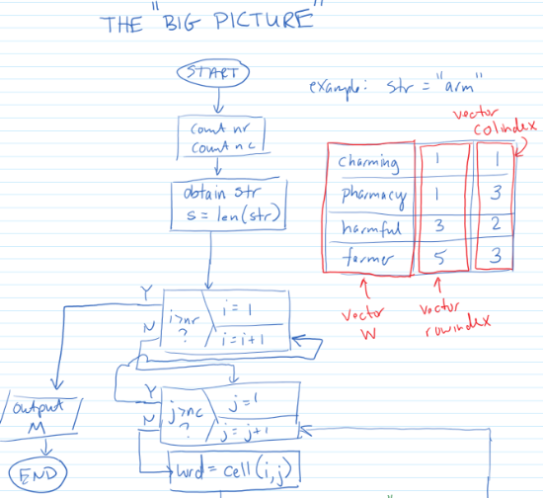
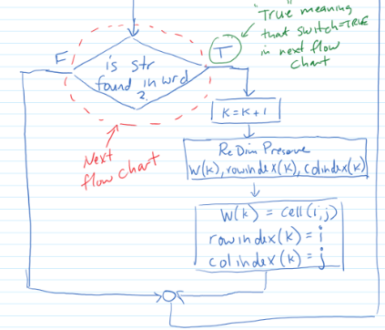
charming | production | pharmacy
produce | hello | geology
picture | harmful | brake
computing | canada | subject
geography | mouse | farmer

